Daily Power Station Chart_15-01
Plant_21/03/2025Chart

Plant:odco1 |  |  | Installed Capacity:111.180kWp
Today Yield(kWh):656.100kWh |  | Today Earning:262440.000TND |  | Today Full Load Hours(h):5.90h

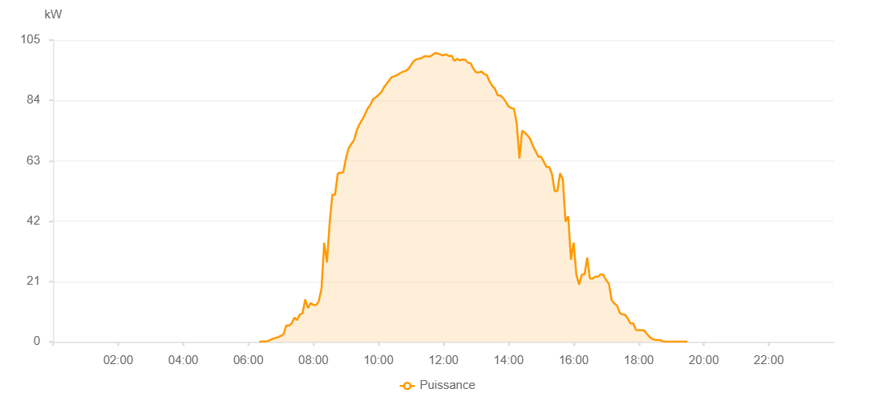

Number | Time | Working State | PV(W) | Instantaneous Radiation(W/㎡)
1 | 06:20:00 | Online | 20.00000 | 0
2 | 06:25:00 | Online | 120.00000 | 0
3 | 06:30:00 | Online | 150.00000 | 1.00000
4 | 06:35:00 | Online | 240.00000 | 1.00000
5 | 06:40:00 | Online | 570.00000 | 13.00000
6 | 06:45:00 | Online | 1060.00000 | 13.00000
7 | 06:50:00 | Online | 1360.00000 | 24.00000
8 | 06:55:00 | Online | 1620.00000 | 32.00000
9 | 07:00:00 | Online | 2110.00000 | 40.00000
10 | 07:05:00 | Online | 2650.00000 | 40.00000
11 | 07:10:00 | Online | 5730.00000 | 48.00000
12 | 07:15:00 | Online | 5660.00000 | 53.00000
13 | 07:20:00 | Online | 6460.00000 | 74.00000
14 | 07:25:00 | Online | 8430.00000 | 74.00000
15 | 07:30:00 | Online | 7590.00000 | 75.00000
16 | 07:35:00 | Online | 9520.00000 | 77.00000
17 | 07:40:00 | Online | 9930.00000 | 77.00000
18 | 07:45:00 | Online | 14760.00000 | 102.00000
19 | 07:50:00 | Online | 11740.00000 | 109.00000
20 | 07:55:00 | Online | 13510.00000 | 95.00000
21 | 08:00:00 | Online | 12880.00000 | 95.00000
22 | 08:05:00 | Online | 12750.00000 | 115.00000
23 | 08:10:00 | Online | 14210.00000 | 155.00000
24 | 08:15:00 | Online | 18630.00000 | 198.00000
25 | 08:20:00 | Online | 34490.00000 | 198.00000
26 | 08:25:00 | Online | 27660.00000 | 483.00000
27 | 08:30:00 | Online | 41550.00000 | 513.00000
28 | 08:35:00 | Online | 51210.00000 | 522.00000
29 | 08:40:00 | Online | 51230.00000 | 564.00000
30 | 08:45:00 | Online | 58590.00000 | 564.00000
31 | 08:50:00 | Online | 58800.00000 | 562.00000
32 | 08:55:00 | Online | 58950.00000 | 593.00000
33 | 09:00:00 | Online | 63760.00000 | 623.00000
34 | 09:05:00 | Online | 67410.00000 | 623.00000
35 | 09:10:00 | Online | 68860.00000 | 669.00000
36 | 09:15:00 | Online | 70220.00000 | 672.00000
37 | 09:20:00 | Online | 73590.00000 | 714.00000
38 | 09:25:00 | Online | 75740.00000 | 717.00000
39 | 09:30:00 | Online | 77280.00000 | 737.00000
40 | 09:35:00 | Online | 79090.00000 | 745.00000
41 | 09:40:00 | Online | 81170.00000 | 745.00000
42 | 09:45:00 | Online | 82480.00000 | 770.00000
43 | 09:50:00 | Online | 84440.00000 | 770.00000
44 | 09:55:00 | Online | 85050.00000 | 795.00000
45 | 10:00:00 | Online | 85890.00000 | 805.00000
46 | 10:05:00 | Online | 86820.00000 | 816.00000
47 | 10:10:00 | Online | 88510.00000 | 828.00000
48 | 10:15:00 | Online | 89790.00000 | 828.00000
49 | 10:20:00 | Online | 91060.00000 | 853.00000
50 | 10:25:00 | Online | 92190.00000 | 868.00000
51 | 10:30:00 | Online | 92490.00000 | 864.00000
52 | 10:35:00 | Online | 92900.00000 | 864.00000
53 | 10:40:00 | Online | 93490.00000 | 877.00000
54 | 10:45:00 | Online | 93980.00000 | 900.00000
55 | 10:50:00 | Online | 94300.00000 | 900.00000
56 | 10:55:00 | Online | 94910.00000 | 915.00000
57 | 11:05:00 | Online | 97670.00000 | 922.00000
58 | 11:10:00 | Online | 98330.00000 | 931.00000
59 | 11:15:00 | Online | 98530.00000 | 934.00000
60 | 11:20:00 | Online | 98800.00000 | 934.00000
61 | 11:25:00 | Online | 99390.00000 | 940.00000
62 | 11:30:00 | Online | 99370.00000 | 940.00000
63 | 11:35:00 | Online | 99280.00000 | 943.00000
64 | 11:40:00 | Online | 99920.00000 | 948.00000
65 | 11:45:00 | Online | 100540.00000 | 950.00000
66 | 11:50:00 | Online | 100290.00000 | 950.00000
67 | 11:55:00 | Online | 99920.00000 | 943.00000
68 | 12:00:00 | Online | 99720.00000 | 944.00000
69 | 12:05:00 | Online | 100060.00000 | 948.00000
70 | 12:10:00 | Online | 99430.00000 | 948.00000
71 | 12:15:00 | Online | 99530.00000 | 944.00000
72 | 12:20:00 | Online | 97770.00000 | 942.00000
73 | 12:25:00 | Online | 98480.00000 | 942.00000
74 | 12:30:00 | Online | 97970.00000 | 939.00000
75 | 12:35:00 | Online | 98250.00000 | 927.00000
76 | 12:40:00 | Online | 98160.00000 | 916.00000
77 | 12:45:00 | Online | 97170.00000 | 913.00000
78 | 12:50:00 | Online | 96930.00000 | 912.00000
79 | 12:55:00 | Online | 95100.00000 | 898.00000
80 | 13:00:00 | Online | 93770.00000 | 894.00000
81 | 13:05:00 | Online | 93770.00000 | 881.00000
82 | 13:10:00 | Online | 94050.00000 | 868.00000
83 | 13:15:00 | Online | 93160.00000 | 861.00000
84 | 13:20:00 | Online | 92840.00000 | 848.00000
85 | 13:25:00 | Online | 90580.00000 | 848.00000
86 | 13:30:00 | Online | 89050.00000 | 840.00000
87 | 13:35:00 | Online | 88000.00000 | 832.00000
88 | 13:40:00 | Online | 85730.00000 | 813.00000
89 | 13:45:00 | Online | 85730.00000 | 813.00000
90 | 13:50:00 | Online | 84860.00000 | 800.00000
91 | 13:55:00 | Online | 83480.00000 | 788.00000
92 | 14:00:00 | Online | 81850.00000 | 773.00000
93 | 14:05:00 | Online | 81370.00000 | 760.00000
94 | 14:10:00 | Online | 81080.00000 | 744.00000
95 | 14:15:00 | Online | 76100.00000 | 665.00000
96 | 14:20:00 | Online | 63770.00000 | 704.00000
97 | 14:25:00 | Online | 73490.00000 | 699.00000
98 | 14:30:00 | Online | 72790.00000 | 680.00000
99 | 14:35:00 | Online | 71850.00000 | 680.00000
100 | 14:40:00 | Online | 70520.00000 | 673.00000
101 | 14:45:00 | Online | 68070.00000 | 647.00000
102 | 14:50:00 | Online | 66330.00000 | 644.00000
103 | 14:55:00 | Online | 64390.00000 | 606.00000
104 | 15:00:00 | Online | 64390.00000 | 606.00000
105 | 15:10:00 | Online | 60870.00000 | 566.00000
106 | 15:15:00 | Online | 60870.00000 | 427.00000
107 | 15:20:00 | Online | 58380.00000 | 427.00000
108 | 15:25:00 | Online | 52470.00000 | 355.00000
109 | 15:30:00 | Online | 52470.00000 | 355.00000
110 | 15:35:00 | Online | 58680.00000 | 176.00000
111 | 15:40:00 | Online | 56590.00000 | 359.00000
112 | 15:45:00 | Online | 41830.00000 | 359.00000
113 | 15:50:00 | Online | 43730.00000 | 359.00000
114 | 15:55:00 | Online | 28620.00000 | 202.00000
115 | 16:00:00 | Online | 34500.00000 | 202.00000
116 | 16:05:00 | Online | 23390.00000 | 202.00000
117 | 16:10:00 | Online | 19910.00000 | 136.00000
118 | 16:15:00 | Online | 23420.00000 | 202.00000
119 | 16:20:00 | Online | 23420.00000 | 332.00000
120 | 16:25:00 | Online | 29290.00000 | 138.00000
121 | 16:30:00 | Online | 22080.00000 | 295.00000
122 | 16:35:00 | Online | 22080.00000 | 295.00000
123 | 16:40:00 | Online | 22660.00000 | 136.00000
124 | 16:45:00 | Online | 22660.00000 | 136.00000
125 | 16:50:00 | Online | 23560.00000 | 141.00000
126 | 16:55:00 | Online | 23270.00000 | 142.00000
127 | 17:00:00 | Online | 21460.00000 | 133.00000
128 | 17:05:00 | Online | 20260.00000 | 87.00000
129 | 17:10:00 | Online | 14550.00000 | 87.00000
130 | 17:15:00 | Online | 13380.00000 | 87.00000
131 | 17:20:00 | Online | 12660.00000 | 30.00000
132 | 17:25:00 | Online | 10080.00000 | 48.00000
133 | 17:30:00 | Online | 9560.00000 | 64.00000
134 | 17:35:00 | Online | 9400.00000 | 30.00000
135 | 17:40:00 | Online | 8010.00000 | 31.00000
136 | 17:45:00 | Online | 6420.00000 | 39.00000
137 | 17:50:00 | Online | 6420.00000 | 0
138 | 17:55:00 | Online | 4090.00000 | 0
139 | 18:00:00 | Online | 4030.00000 | 0
140 | 18:05:00 | Online | 4070.00000 | 23.00000
141 | 18:10:00 | Online | 3980.00000 | 0
142 | 18:15:00 | Online | 2790.00000 | 0
143 | 18:20:00 | Online | 1750.00000 | 0
144 | 18:25:00 | Online | 1030.00000 | 0
145 | 18:30:00 | Online | 730.00000 | 0
146 | 18:35:00 | Online | 630.00000 | 0
147 | 18:40:00 | Online | 600.00000 | 0
148 | 18:45:00 | Online | 160.00000 | 0
149 | 18:50:00 | Online | 40.00000 | 0
150 | 18:55:00 | Online | 40.00000 | 0
151 | 19:00:00 | Online | 40.00000 | 0
152 | 19:05:00 | Online | 40.00000 | 0
153 | 19:10:00 | Online | 50.00000 | 0
154 | 19:15:00 | Online | 40.00000 | 0
155 | 19:20:00 | Online | 40.00000 | 0
156 | 19:25:00 | Online | 40.00000 | 0
157 | 19:30:00 | Online | 40.00000 | 0
158 | 19:50:00 | Online | 0.00001 | 0.00001
159 | 19:55:00 | Online | 0.00001 | 0.00001
160 | 20:00:00 | Online | 0.00001 | 0.00001
161 | 21:35:00 | Online | 0.00001 | 0.00001

